Q1
MGB 206 | Homework 7 | Taposh Dutta Roy

Q1: Historical data indicate that a student's total income for any month of school from work, parents, scholarships and loans is consistent with the following probability distribution:

 | Income | Probability | Cumulative Probability
 | 750.00 | 0.20 | 0.20
 | 950.00 | 0.36 | 0.56
 | 1150.00 | 0.30 | 0.86
 | 1350.00 | 0.14 | 1.00

Expenses for the same student are believed to be consistent with the following probability distribution:

 | Expense | Probability | Cumulative Probability
 | 900.00 | 0.40 | 0.40
 | 1000.00 | 0.25 | 0.65
 | 1100.00 | 0.20 | 0.85
 | 1200.00 | 0.15 | 1.00

Assuming she begins the school year with a bank balance of $1,200, what is the student's likely financial position at the end of a nine month school year?

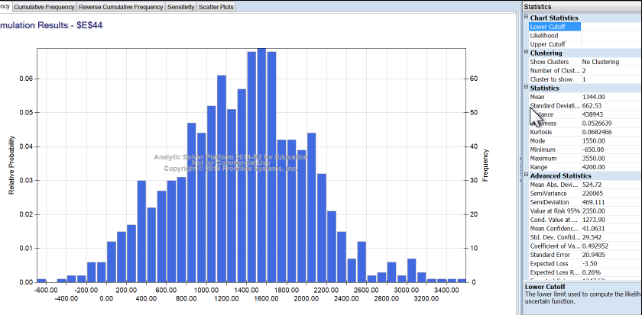
Starting bank balance |  | $1,200.00

Income Trials
Trial | Income | Expense | Remaining
Month 1 | 1026.00 | 1010.00 | 16.00
Month 2 | 1026.00 | 1010.00 | 16.00
Month 3 | 1026.00 | 1010.00 | 16.00
Month 4 | 1026.00 | 1010.00 | 16.00
Month 5 | 1026.00 | 1010.00 | 16.00
Month 6 | 1026.00 | 1010.00 | 16.00
Month 7 | 1026.00 | 1010.00 | 16.00
Month 8 | 1026.00 | 1010.00 | 16.00
Month 9 | 1026.00 | 1010.00 | 16.00

 |  | Total Balance for 9 months | 144.00
 |  | Initial Balance | 1200
 |  | Total | 1344.00

 |  | Balance | #N/A

Answer
 | The student's financial position at the end of the 9th month is $1344

